Empty grid
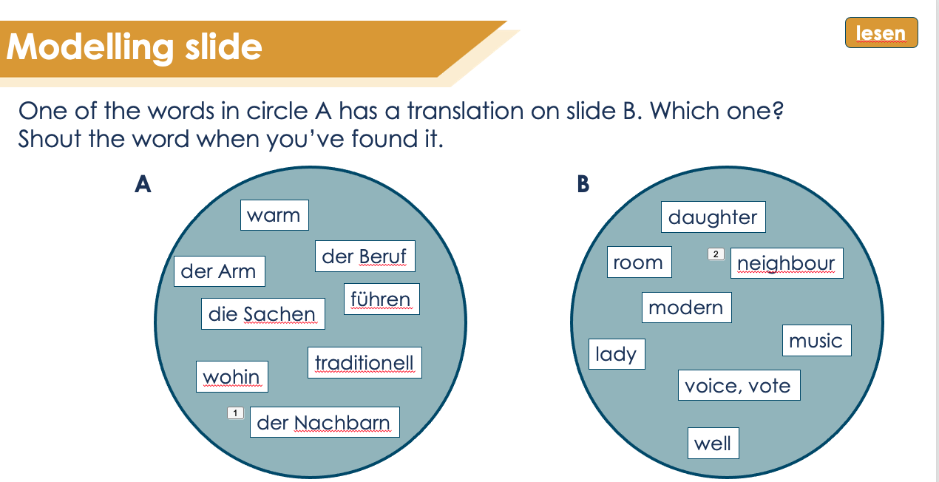
Card | Word 1 | Word 2 | Word 3 | Word 4 | Word 5 | Word 6 | Word 7 | Word 8 | Words to use (bold= used as target) | English
G1 | 6 | 7 | 10 | 12 | 14 | 16 | 2 | 4 | 1 | 1
E1 | 6 | 5 | 13 | 21 | 18 | 25 | 29 | 26 | 2 | 2
E2 | 10 | 5 | 13 | 21 | 24 | 28 | 31 | 34 | 3 | 3
E3 | 2 | 33 | 30 | 3 | 18 | 25 | 29 | 26 | 4 | 4
E4 | 16 | 13 | 21 | 18 | 32 | 26 | 22 | 8 | 5 | 5
G2 | 19 | 23 | 32 | 35 | 1 | 3 | 14 | 27 | 6 | 6
E5 | 19 | 2 | 5 | 6 | 13 | 20 | 36 | 17 | 7 | 7
E6 | 23 | 2 | 5 | 6 | 11 | 12 | 21 | 25 | 8 | 8
E7 | 32 | 34 | 31 | 30 | 13 | 20 | 36 | 17 | 9 | 9
E8 | 35 | 5 | 6 | 13 | 20 | 18 | 11 | 12 | 10 | 10
G3 | 28 | 31 | 5 | 8 | 20 | 25 | 26 | 15 | 11 | 11
E9 | 28 | 3 | 7 | 10 | 27 | 19 | 18 | 21 | 12 | 12
E10 | 31 | 1 | 27 | 19 | 22 | 24 | 34 | 23 | 13 | 13
E11 | 5 | 29 | 37 | 34 | 22 | 17 | 16 | 14 | 14 | 14
E12 | 8 | 13 | 9 | 6 | 4 | 2 | 3 | 7 | 15 | 15
G4 | 18 | 33 | 21 | 14 | 17 | 4 | 2 | 6 | 16 | 16
E13 | 18 | 1 | 3 | 5 | 7 | 8 | 9 | 10 | 17 | 17
E15 | 33 | 11 | 12 | 13 | 19 | 22 | 24 | 24 | 18 | 18
E15 | 21 | 15 | 16 | 25 | 26 | 27 | 28 | 30 | 19 | 19
E16 | 14 | 29 | 31 | 32 | 34 | 37 | 3 | 5 | 20 | 20
G5 | 36 | 1 | 9 | 26 | 37 | 24 | 7 | 29 | 21 | 21
Explanation
- The G-cards in bold have German (or French / Spanish) words and go on the "pile " on the left of the slide.
- The E-cards have English words and go on the "pile" on the right of the slide.
- Every German card has 4 accompanying English cards., meaning there are 6 German cards and 24 English. One word on each English card is a translation of a word on the German card. The goal is to find the translated word. The translations are listed in Column B (Word 1).
Creating a new version
- In the blue column (column K / Words to use) add the vocab you want to use.
- In the yellow column (column L / English) add the translations.
- When you've filled in columns K and L the words will automatically be allocated to cards.
- Use the info to update template ppt with the new words. Start with the top cards and use the selection panel to deselect the cards that have been changed until all are done.
E17 | 36 | 35 | 34 | 33 | 32 | 31 | 30 | 28 | 22 | 22
E18 | 1 | 25 | 23 | 22 | 21 | 20 | 19 | 27 | 23 | 23
E19 | 9 | 18 | 17 | 16 | 15 | 14 | 13 | 12 | 24 | 24
E20 | 26 | 11 | 10 | 8 | 6 | 5 | 4 | 3 | 25 | 25
G6 | 30 | 22 | 4 | 15 | 13 | 27 | 5 | 31 | 26 | 26
E21 | 30 | 3 | 7 | 9 | 11 | 14 | 17 | 19 | 27 | 27
E22 | 22 | 21 | 24 | 26 | 29 | 33 | 35 | 37 | 28 | 28
E23 | 4 | 2 | 6 | 8 | 10 | 12 | 16 | 18 | 29 | 29
E24 | 15 | 20 | 23 | 25 | 28 | 32 | 34 | 36 | 30 | 30
 |  |  |  |  |  |  |  |  | 31 | 31
 |  |  |  |  |  |  |  |  | 32 | 32
 |  |  |  |  |  |  |  |  | 33 | 33
 |  |  |  |  |  |  |  |  | 34 | 34
 |  |  |  |  |  |  |  |  | 35 | 35
 |  |  |  |  |  |  |  |  | 36 | 36
 |  |  |  |  |  |  |  |  | 37 | 37

Example using German 8.3.2.4
Card | Word 1 | Word 2 | Word 3 | Word 4 | Word 5 | Word 6 | Word 7 | Word 8 | Words to use (bold= used as target) | English
G1 | die Tochter | der Arm | das Blatt | fassen | scheinen | warten | tot | gar | lieb | dear, kind | New
E1 | daughter | well | to lead | room | white | things | traditional | to describe | tot | dead | New
E2 | leaf, sheet | well | to lead | room | neighbour | modern | rather | voice, vote | warm | warm | New
E3 | dead | music | particularly | warm | white | things | traditional | to describe | gar (nicht) | (not) at all | New
E4 | to wait, waiting | to lead | room | white | type, kind | to describe | material cloth | king | wohl | well | New
G2 | die Dame | das Foto | die Art | das Bild | lieb | warm | scheinen | wohin | die Tochter | daughter | New
E5 | lady | dead | well | daughter | to lead | occupation, job | instead of | best | der Arm | arm | New
E6 | photo | dead | well | daughter | some, many a | to grab, grasp | room | things | der König | king | New
E7 | type, kind | voice, vote | rather | particularly | to lead | occupation, job | instead of | best | der Sohn | son | New
E8 | picture | well | daughter | to lead | occupation, job | white | some, many a | to grab, grasp | das Blatt | leaf, sheet | New
G3 | modern | lieber | wohl | der König | der Beruf | die Sachen | beschreiben | versprechen | mancher, manche, manches | some, many a | New
E9 | modern | warm | arm | leaf, sheet | where…to | lady | white | room | fassen | to grab, grasp | New
E10 | rather | dear, kind | where…to | lady | material, cloth | neighbour | voice, vote | photo | führen | to lead | New
E11 | well | traditionell | what type of? | voice, vote | material, cloth | best | to wait, waiting | to appear, seem | scheinen | to appear, seem | New
E12 | king | to lead | son | daughter | (not) at all | dead | warm | arm | versprechen | to promise, promising | New
G4 | weiß | die Musik | der Raum | scheinen | bester, beste, bestes | gar (nicht) | tot | die Tochter | warten | to wait, waiting | New
E13 | white | dear, kind | warm | well | arm | king | son | leaf, sheet | bester, beste, bestes | best | New
E15 | music | some, many a | to grab, grasp | to lead | lady | material, cloth | photo | neighbour | weiß | white | R1
E15 | room | to promise, promising | to wait, waiting | things | to describe | where…to | modern | particularly | die Dame | lady | R1
Explanation
- The G-cards in bold have German words and go on the "pile " on the left of the slide.
- The E-cards have English words and go on the "pile" on the right of the slide.
- Every German card has 4 accompanying English cards. One word on each English card is a translation of a word on the German card. the goal is to find the translated word. The translations are listed in Column B (Word 1).
Creating a new version
- In the blue column (Colum K / Insert words) add the vocab you want to use, e.g. jouer.
- Then use find and replace to change the template words into your words (e.g. lieb into jouer) and the template English word into your English words (e.g. dear /kind into to play, playing).
- Update the template ppt with the new words. Start with the top cards and use the selection panel to deselect the cards that have been changed until all are done. Note that the cards are in reverse order on the ppt, i.e. the top cards are G6 and E24.
E16 | to appear, seem | traditionell | rather | type, kind | voice, vote | what type of? | warm | well | der Beruf | occupation, job | R1
G5 | statt | lieb | der Sohn | beschreiben | was für? | der Nachbar | der Arm | traditionell | der Raum | room | R1
E17 | instead of | picture | voice, vote | music | type, kind | rather | particularly | modern | der Stoff | material, cloth | R1
E18 | dear, kind | things | photo | material, cloth | room | occupation, job | lady | where…to | das Foto | photo | R1
E19 | son | white | best | to wait, waiting | to promise, promising | to appear, seem | to lead | to grasp, grab | der Nachbar | neighbour | R1
E20 | to describe | some, many a | leaf, sheet | king | daughter | well | (not) at all | warm | die Sachen | things | R1
G6 | besonders | der Stoff | gar (nicht) | versprechen | führen | wohin | wohl | rather | beschreiben | to describe | R1
E21 | particularly | warm | arm | son | some, many a | to appear, seem | best | lady | wohin | where...to | R1
E22 | material, cloth | room | neighbour | to describe | traditional | music | picture | what type of? | modern | modern | R2
E23 | (not) at all | dead | daughter | king | leaf, sheet | to grab, grasp | to wait, waiting | white | traditionell | traditional | R2
E24 | to promise, promising | occupation, job | photo | things | modern | type, kind | voice, vote | instead of | besonders | particularly | R2
 |  |  |  |  |  |  |  |  | lieber | rather | R2
 |  |  |  |  |  |  |  |  | die Art | type, kind | R2
 |  |  |  |  |  |  |  |  | die Musik | music | R2
 |  |  |  |  |  |  |  |  | die Stimme1 | voice, vote | R2
 |  |  |  |  |  |  |  |  | das Bild | picture | R2
 |  |  |  |  |  |  |  |  | statt | instead of | R2
 |  |  |  |  |  |  |  |  | was für? | what type of? | R2

